Start Fields
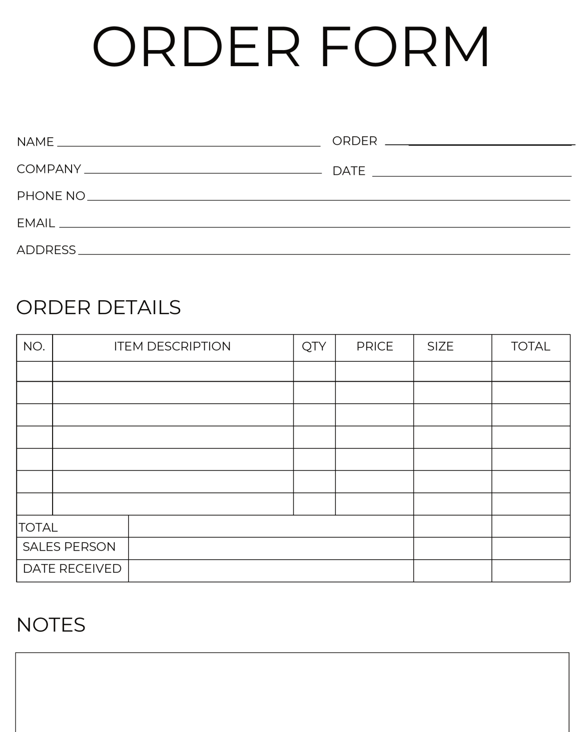

Customer Name
Email
Phone
Address

Order
Creation Date
Total Due
Status
Quantity

3rd Normal Diagram
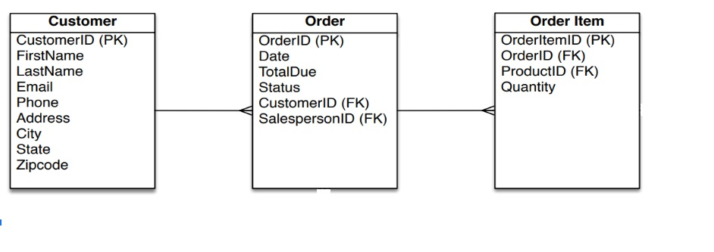

Rules: | Eliminate fields that do not depend on the primary key.

Exercise diagram
